Sheet1
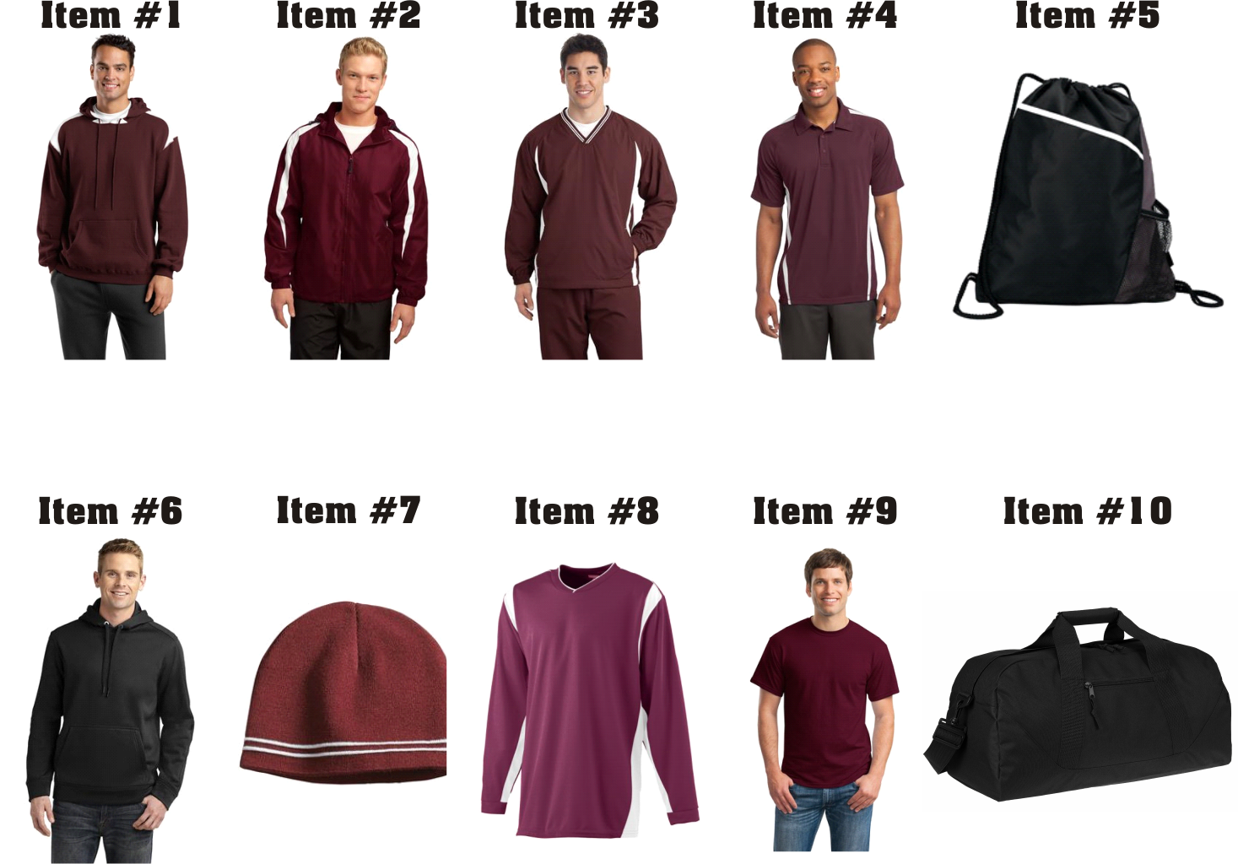
CHARLTON WILDCATS SPIRITWEAR
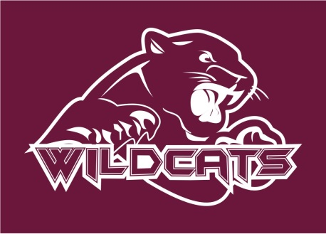
NAME______________________________________________________

PHONE_____________________________________________________

ITEM | COLOR | SIZE (circle one) | QTY | PRICE | TOTAL

Sport-Tek Pullover Hooded Sweatshirt with Contrast Color (Item #1) | Maroon/White | YXS YS YM YL YXL |  | $50
Embroidered FL Chest logo. Player Name/Nbr on sleeve. F264 |  | XS S M L XL XXL 3XL 4XL

Sport-Tek Fleece Lined Colorblock Jacket (Item #2) | Maroon/White | YXS YS YM YL YXL |  | $60
Embroidered FL Chest logo. Player Name/Nbr on sleeve. JST81 |  | XS S M L XL XXL 3XL 4XL

Sport-Tek V-Neck Raglan Wind Shirt (Item #3) | Maroon/White | YXS YS YM YL YXL |  | $40
Embroidered FL Chest logo. Player Name/Nbr on sleeve. JST62 |  | XS S M L XL XXL 3XL 4XL

Sport-Tek PosiCharge Micro-Mesh Colorblock Polo (Item #4) | Maroon/White | XS S M L XL XXL 3XL 4XL |  | $40
Embroidered FL Chest logo. Player Name/Nbr on sleeve. ST685

Gemline Surge Sport Cinchpack (Item #5) | Black | N/A |  | $20
Embroidered Logo & Player Name/Nbr. 4976

Sport-Tek Water Repellent 100% Polyester Hoodie (Item #6) | Black | XS S M L XL XXL 3XL 4XL |  | $65
Embroidered FL Chest logo. Player Name/Nbr on sleeve. ST290

Sport-Tek Spectator Beanie Hat w/ raised double stripe (Item #7) | Maroon/White | N/A |  | $20
Embroidered Logo & Player Name/Nbr. STC20

Augusta Long Sleeve Wicking Warmup Shirt (Item #8) | Maroon/White | YS YS YM YL |  | $45
Screen Printed Logo Full Front. Player Name/Nbr on sleeve. 4600 |  | S M L XL XXL 3XL 4XL

Gildan DryBlend 50/50 T Shirt (Item #9) | Maroon | YXS YS YM YL |  | $12
Screen Printed Logo Full Front. 8000 |  | XS S M L XL XXL 3XL 4XL

Large Duffel Bag: 13.5"w x 11.5"h x 11"d (Item #10) | Black | N/A |  | $30
Embroidered Logo & Player Name/Nbr. 8806

PLAYER NAME/NUMBER:____________________________________________ |  |  | TOTAL:

 |  | Please Make Checks Payable to "I Am T Shirts"

